#3
 |  |  |  |  |  |  |  |  |  | Minimize
#3 - Hurricane Emily |  |  |  |  |  |  |  |  | average Qual | Total Cost
 |  |  |  |  |  |  |  |  | 7.75 | 93236

 | Cost | Capacity | Qual | Qual - 7.75 | From | To | treversing vehicles | capacity left |  | S1 | S2 | S3 | A | B | C | D | E | F1 | F2 | F3 | F4 | avg Qual
 | 75 | 75 | 8 | 0.25 | S1 | A | 75 | 0 |  | -1 |  |  | 1
 | 65 | 85 | 7 | -0.75 | S1 | B | 50 | 35 |  | -1 |  |  |  | 1
 | 80 | 100 | 8 | 0.25 | S2 | A | 95 | 5 |  |  | -1 |  | 1
 | 45 | 90 | 7 | -0.75 | S2 | B | 90 | 0 |  |  | -1 |  |  | 1
 | 76 | 95 | 6 | -1.75 | S3 | B | 25 | 70 |  |  |  | -1 |  | 1
 | 49 | 120 | 9 | 1.25 | S3 | C | 120 | 0 |  |  |  | -1 |  |  | 1
 | 80 | 100 | 10 | 2.25 | A | D | 100 | 0 |  |  |  |  | -1 |  |  | 1
 | 100 | 150 | 6 | -1.75 | A | E | 85 | 65 |  |  |  |  | -1 |  |  |  | 1
 | 35 | 65 | 10 | 2.25 | B | A | 15 | 50 |  |  |  |  | 1 | -1
 | 55 | 100 | 9 | 1.25 | B | D | 100 | 0 |  |  |  |  |  | -1 |  | 1
 | 70 | 115 | 4 | -3.75 | B | E | 50 | 65 |  |  |  |  |  | -1 |  |  | 1
 | 66 | 75 | 8 | 0.25 | C | D | 75 | 0 |  |  |  |  |  |  | -1 | 1
 | 90 | 175 | 6 | -1.75 | C | E | 45 | 130 |  |  |  |  |  |  | -1 |  | 1
 | 57 | 140 | 8 | 0.25 | D | F1 | 120 | 20 |  |  |  |  |  |  |  | -1 |  | 1
 | 78 | 100 | 7 | -0.75 | D | F2 | 97 | 3 |  |  |  |  |  |  |  | -1 |  |  | 1
 | 66 | 90 | 6 | -1.75 | D | F3 | 58 | 32 |  |  |  |  |  |  |  | -1 |  |  |  | 1
 | 56 | 80 | 8 | 0.25 | E | F2 | 0 | 80 |  |  |  |  |  |  |  |  | -1 |  | 1
 | 58 | 70 | 9 | 1.25 | E | F3 | 68 | 2 |  |  |  |  |  |  |  |  | -1 |  |  | 1
 | 69 | 200 | 8 | 0.25 | E | F4 | 112 | 88 |  |  |  |  |  |  |  |  | -1 |  |  |  | 1
 |  |  |  |  |  |  |  |  | LHS | -125 | -185 | -145 | 0 | 0 | 0 | 0 | 0 | 120 | 97 | 126 | 112 | 0
 |  |  |  |  |  |  |  |  | RHS | -125 | -185 | -145 | 0 | 0 | 0 | 0 | 0 | 84 | 91 | 98 | 112 | 0
 |  |  |  |  |  |  |  |  |  |  |  |  |  |  |  |  |  | At least 70%
Solution |  |  |  |  |  |  |  |  |  |  |  |  |  |  |  |  |  | Capacity
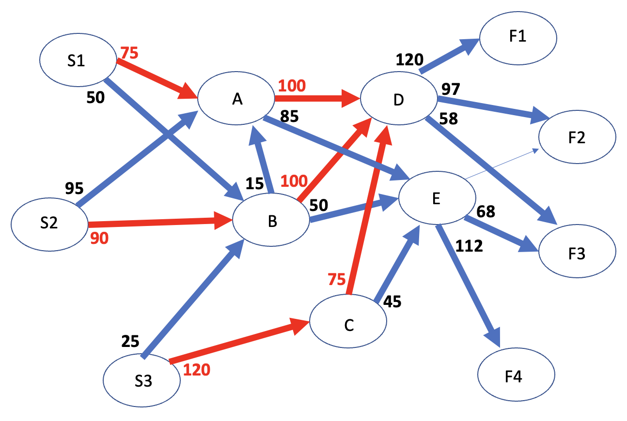
 |  |  |  |  |  |  |  | a) the minimized cost is ---> |  | 93236 |  |  |  |  |  |  |  | 120 | 130 | 140 | 160

 |  |  |  |  |  |  |  | b) the links that are possible bottlenecks are highlighted in red
 |  |  |  |  |  |  |  | in the network diagram (where capacity is 0)
 |  |  |  |  |  |  |  | BOTTLENECKS
 |  |  |  |  |  |  |  | FROM | TO
 |  |  |  |  |  |  |  | S1 | A
 |  |  |  |  |  |  |  | S2 | B
 |  |  |  |  |  |  |  | S3 | C
 |  |  |  |  |  |  |  | A | D
 |  |  |  |  |  |  |  | B | D
 |  |  |  |  |  |  |  | C | D

 |  |  |  |  |  |  |  | c) cars that pass thru intermediate juctions are:
 |  |  |  |  |  |  |  | NAME | NUMBER OF CARS
 |  |  |  |  |  |  |  | A | 185
 |  |  |  |  |  |  |  | B | 165
 |  |  |  |  |  |  |  | C | 120
 |  |  |  |  |  |  |  | D | 275
 |  |  |  |  |  |  |  | E | 180

